Ranges
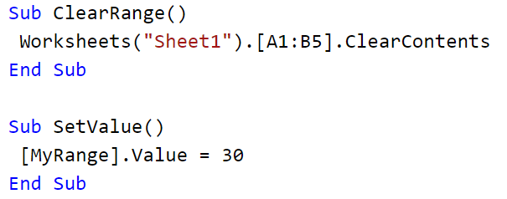
Refer to cells using A1 notation
Reference | Meaning
Range("A1") | Cell A1
Range("A1:B5") | Cells A1 through B5
Range("C5:D9,G9:H16") | A multiple-area selection
Range("A:A") | Column A
Range("1:1") | Row 1
Range("A:C") | Columns A through C
Range("1:5") | Rows 1 through 5
Range("1:1,3:3,8:8") | Rows 1, 3, and 8
Range("A:A,C:C,F:F") | Columns A, C, and F

Refer to cells using a range object
Example
 |  | Set Destination range for pivot tables
 |  | Dim PTRange As Range
 |  | Set PTRange = Worksheets("Sheet2").Range("A:G")

Referring to cells using shortcut notation

